First Time
BidGulp: First Time Instructions
Instructions for enabling this file to run the BidGulp tools in this macro-enabled Excel file.

Note: You should only need to perform these actions ONE TIME in order to use this file, however if you have any issues
please feel free to consult this troubleshooting guide, or contact Ben Fisher at benjamin.s.fisher@usace.army.mil

Table of Contents
Click an section hyperlink below to jump to the article on this worksheet:

 | 1. Unblocking the File
 | 2. Enable Macros in this File
 | 3. Self-Signing the Code

1. Unblocking the File

 | What and Why
 | One of Microsoft's default macro-security features, when it finds a new macro-enabled Excel file that it knows came from a
 | source outside your computer, is to block the file. You will usually will see a warning dialog as shown below.

 | How to Unblock a File
 | 1. First you need to close the file.

 | 2. Next right-click the file in a file explorer window to show the context menu. Then select Properties.

 | 3. In the General tab of the file Properties dialog, at the very bottom you should see a Security: section with a
 | blurb about protecting your computer. Check the box labeled Unblock (see below), then click OK.
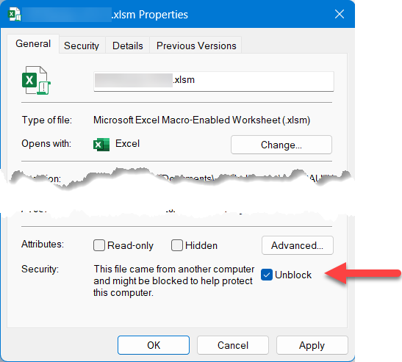

 | 4. You can now open the file, but at this point Microsoft may open it in Protected View. For a solution
 | to this issue, please see the next section: |  | 2. Enable Macros in this File (Protected View)

2. Enable Macros in this File (Protected View)

 | What and Why
 | Sometimes the macro security settings are such that it merely warns you that there are macros in this file with the following image.
 | This is called Protected View and is one method that Microsoft protects users from previously unknown macros.

 | Fear not - this standard operating procedure with Microsoft. The first time it sees a Workbook with a code module inside it that
 | it's never seen on your computer before, it just takes this step of caution.

 | To be able to use the macros in the file, you have to Enable Editing, which will take the file out of Protected View. Which you can
 | do by simply clicking the button in this yellow dialog (image above).

3. Self-Signing the Code

 | What and Why
 | Enterprise Administrators have automatically set the macro settings for users to Disable VBA macros except digitally signed macros.
 | Although you probably cannot change this setting, you can access it in the File | Options | Trust Center | Macro Settings (image below).
 | This means that each user will need to digitally sign the project in order to allow the macros to run on their computer.

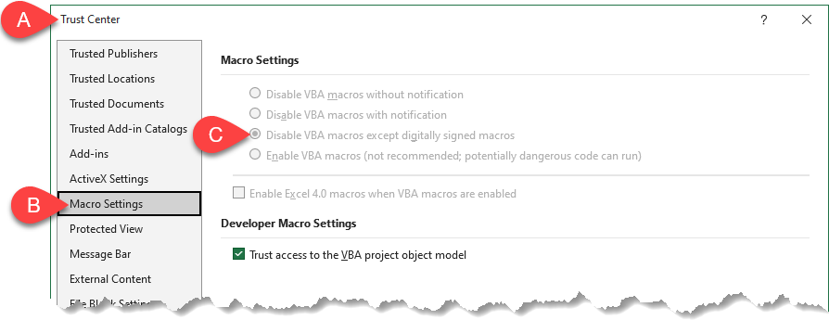

 | How to Digitally Sign the Macros
 | This set only needs to happen once, in order to be able to use the macros in this file. Once you sign the code, even if you copy this file
 | you will not have to repeat these steps. If you transmit this file to someone else, however, they will have to follow these steps.

 | 1. Locate the SELFCERT.EXE application on your computer. It is typically located here:

 |  | C:\Program Files\Microsoft Office\root\Office16\ |  | (hold control and click this link to open the folder)
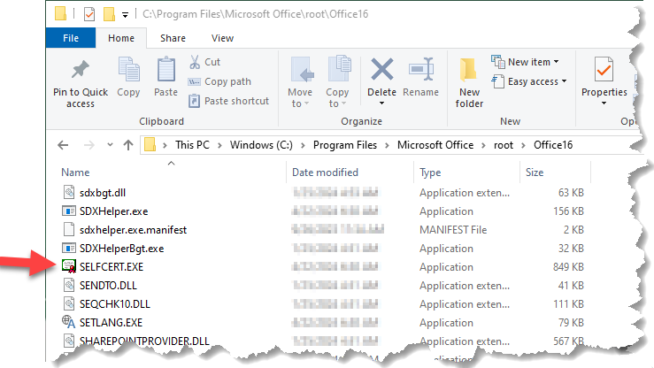

 | 2. Double click the app to run the program. You will see a dialog that asks you to provide a certificate name.
 | The name isn't overly important, just don’t forget it. I chose something silly so I'd remember. Click OK
 | Then you'll see a success dialog (below, right).
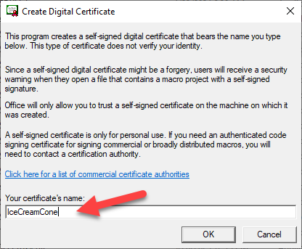

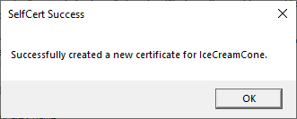

 | 3. Open the Excel file. You may see a scary warning like shown below. That's fine, just pressed ALT + F11 to open
 | the VBA editor; don’t worry - I won't make you type your name in binary.
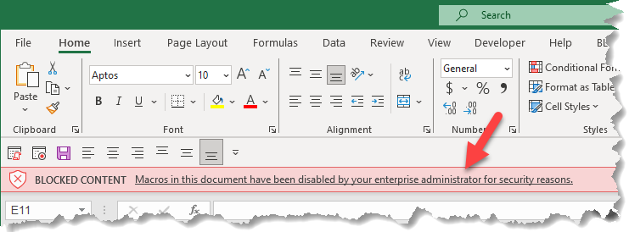

 | 4. In the VBA editor select Tools | Digital Signature from the menu (see image below).
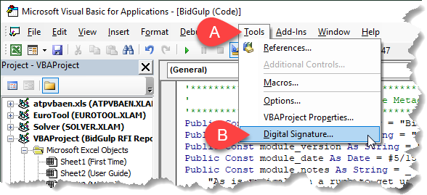

 | 5. In the Digital Signature dialog, select Choose (lower left image), which will open the Select a certificate dialog (lower right).
 | It will likely already have prepopulated the certificate you just created with SELFCERT.exe. Click OK twice to accept both dialogues.

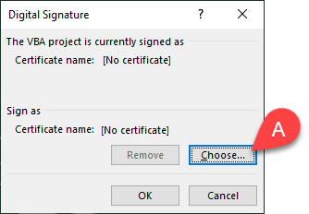
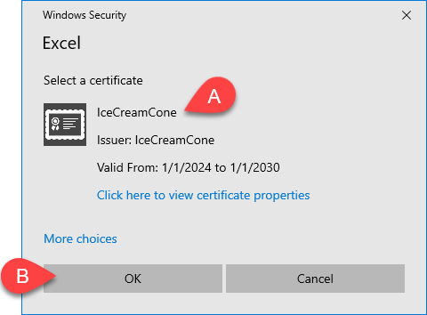

 | 6. Next you can Control + S to save the file. You might need to close and reopen.

User Guide
BidGulp: User Reference Guide
Tips for understanding how this tool works and how to generate beautified reports using it.

Table of Contents
Click an section hyperlink below to jump to the article on this worksheet:

 | 1. Save an HTML Report from ProjNet
 | 2. Create a New RFI Log File
 | 3. Add to an Existing RFI Log File
 | 4. Default Formatting
 | 5. Statistics (Coming Feature)

1. Save an HTML Report from ProjNet

 | What and Why
 | The Bidder module of ProjNet only allows users to view reports in HTML format. Because of this, we need to save the report
 | HTML to a location on your computer in order for BidGulp to parse the file and create a beautified RFI log report.

 | How to Save the HTML Report
 | You'll need a ProjNet account, and be assigned access to both the project and project's Bidder module. Navigate to the
 | Projects Select App window (usually where you access Dr Checks reviews or Bidder reviews).

 | 1. Expand the Bidder module (A) to see the Bidder Inquiry Reviews (see below). Click the report icon (B) for the review
 | that you want to process.

 | 2. Either in the Technical Evaluators Reports section (or Contracting Officer Reports section), select the link to View all Inquiries (below).
 | These two links actually produce the same HTML report.

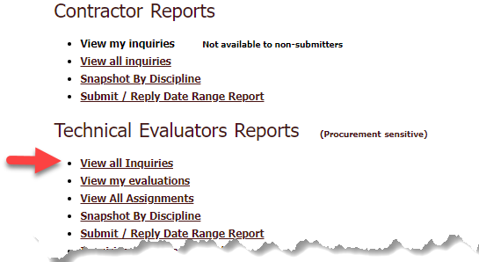

 | 3. Once the HTML report is created and populated, right-click anywhere over the report to show the browser context menu.
 | From the options, select Save as (see image below).
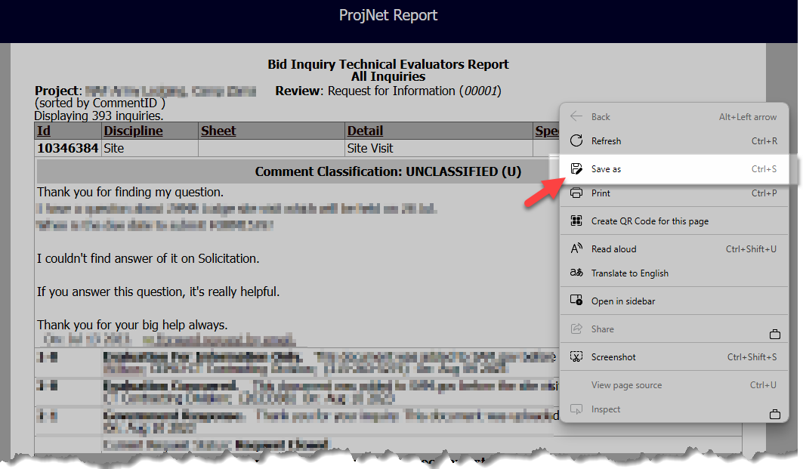

 | 4. In the Save As dialog, you will be prompted to name and save the HTML file (see image below). A few comments:

 | + The name doesn't matter very much, since BidGulp only cares about the guts of the HTML file.
 | + You may want to locate this HTML (which you can treat as a temp file) in your local project files because
 | when BidGulp creates a new Excel report, it will create that file in the same folder as the HTML file.
 | + Once you've created the Excel report using BidGulp - you no longer need the HTML file.
 | + When your browser writes the HTML to the save place you choose, it often creates a folder with the same name
 | containing resources for that webpge. That folder and any contents are meaningless and can be deleted at will.
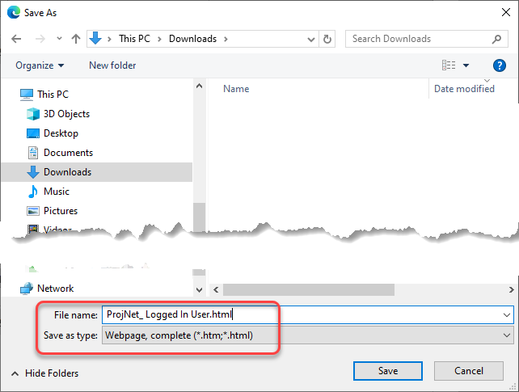

 | 5. Now you are ready to use BidGulp to create a new RFI log report, or append comments to and existing RFI log report.

2. Create a New RFI Log File

 | How to Create a New Report
 | After you have saved the inquiry comments report HTML file to a suitable location on your computer, you're read to create
 | a new RFI log report. When you click the Write New button in the Macros tab, you will be prompted to navigate to and select the
 | HTML file containing the RFI comments. Please note that BidGulp will create a new Excel file with the report in the same
 | folder as this HTML file.
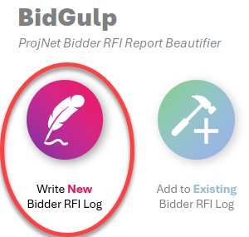

3. Add to an Existing RFI Log File

 | How to Append New Comments
 | Assuming you have a new batch off bidder inquires, go through the steps in: |  | 1. Save an HTML Report from ProjNet
 | to save the entire report to the location on your computer you prefer.

 | NOTE: Don't worry about getting rid of comments you know are already in your RFI log - just save the whole inquiry report HTML,
 | even if it includes comments that have already been previously processed.

 | Next, click the Add to Existng button in the Macros tab (see below).
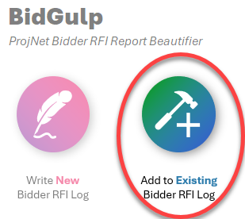

 | This will open a new dialog, where you will need to make three selections to help BidGulp know what you want to do.
 | You will need to complete the following actions to successfully append new comments.

 | A. Click the Select HTML button to navigate to and select the HTML file with the report containing all (new and old)
 | bidder inquiry comments. This file doesn't actually have to contain the old (existing) comments, but it sure makes
 | your life easier.

 | B. Click the Select Workbook button to navigate to and select the Excel file that has the Bidder RFI Log in it that you
 | want to add the new comments to.

 | C. Once you have selected a Workbook, the List of Worksheets window will populate with the names of all the Worksheets (tabs)
 | in the selected Workbook. By default there is only one, called "RFIs". In any case, select the worksheet you know has
 | the existing RFI log tab in it and click OK (D) to perform the update.
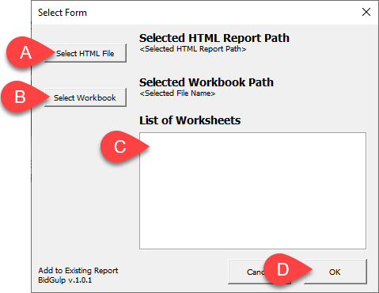

 | Note: It doesn't matter if you already have the report Workbook open or not - BidGulp will open it if it's not already open.

 | Note: It doesn't matter if your HTML has existing comments in it. When BidGulp is adding new comments to an existing
 | file, it actually looks at all the Comment IDs (7 or more digit number created by ProjNet) and compares to what it finds
 | in the HTML file - if it sees the HTML repeats an ID already in the Excel file, it passes over it (to prevent duplication).

4. Default Formatting

 | BidGulp Strategy
 | It's assumed that once created the Excel file will be passed around to several users. Other than you, the report creator, no one
 | else really needs the macros in this workbook. Not because they're secret, but because the general public doesn't need the
 | scary security warnings, etc. For this reason, BidGulp processes the HTML data and puts the Bidder RFI Log report into a
 | separate Excel workbook, without any macros.

 | While creating the report, BidGulp does use Data Validation lists to create drop-down lists for users to make standardized selections.
 | BidGulp also uses Conditional Formatting to create visual cues based on intuitive color coding, that is dependant on the
 | selections in the cells with Data Validation lists. This is all done programmatically, so that it's consistent every time.

 | BidGulp also makes Filtering the comments possible because it puts each inquiry on an individual Row.

 | BidGulp turns the Bidder RFI report into a Table - which is a specific entity in Excel that offers users several advantages when
 | processing the data in that worksheet. One of the most important components to keeping a Table usable is to respect the naming
 | system for the columns (on the table header row). Randomly changing these will have negative effects.

5. Statistics (Coming Feature)

 | The next version of BidGulp will have a feature that reads the data in the Bidder RFI Log tab and aggregates several key
 | statistics about the review.

 | + Comments by discipline
 | + Commnets by assignee
 | + List of Comment requiring an Ammendment = Yes
 | + List of Comments where TL Reviewed = No

 | Additional statistics can be requested by emailing Ben at: | benjamin.s.fisher@usace.army.mil

Macros
BidGulp
ProjNet Bidder RFI Report Beautifier |  |  | BidGulp v.1.0.7

UNDER DEVELOPMENT
Write New
Bidder RFI Log
Add to Existing Bidder RFI Log
Merge Comments from a Copy
Create or Update Statistics Sheet

About BidGulp
BidGulp is a small Excel app developed to digest ProjNet Bidder module HTML reports
of RFI "comments" (ProjNet doesn't currently export Bidder module comments to XML format).
This app creates a beautified report in a separate Excel spread (without macros) to
permit users without the need for the macros to be able to collaborate in that Excel report.

Note: features and report workflows are explained in the | User Guide

NEW USERS: if this is your first time opening this file, pleaser review |  | First Time

